Instructions
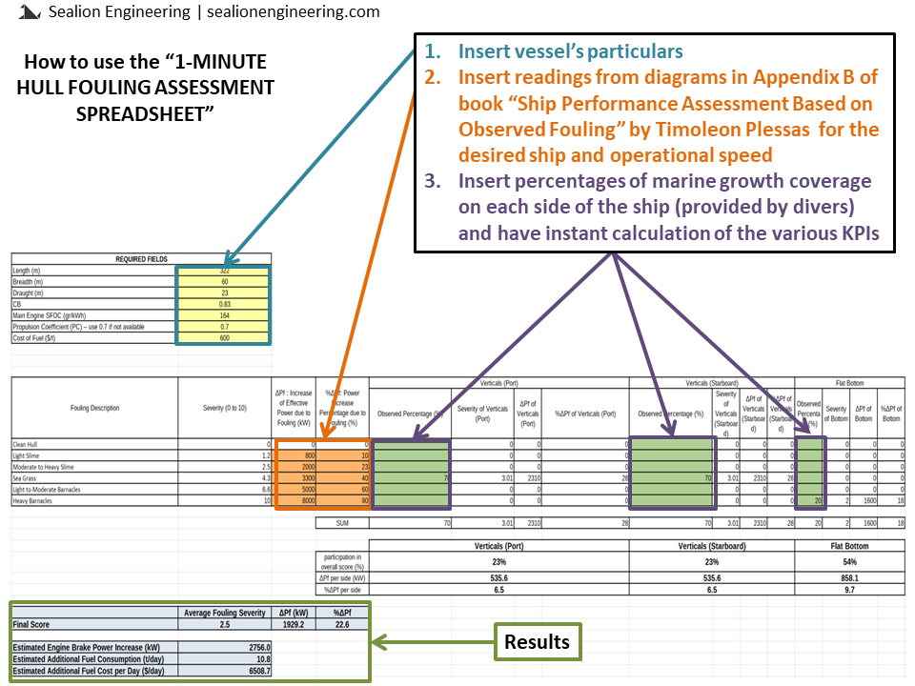
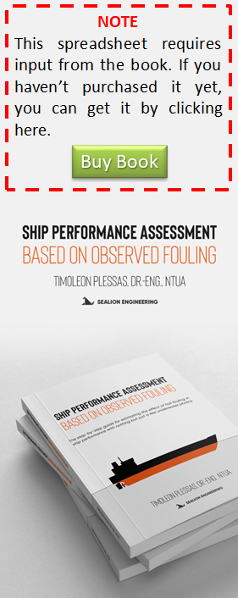

Regarding step 2:
Find the diagrams in Appendix B that refer to your ship type and size and insert the values of each fouling category (for all 5 types of fouling), for the desired operational speed:
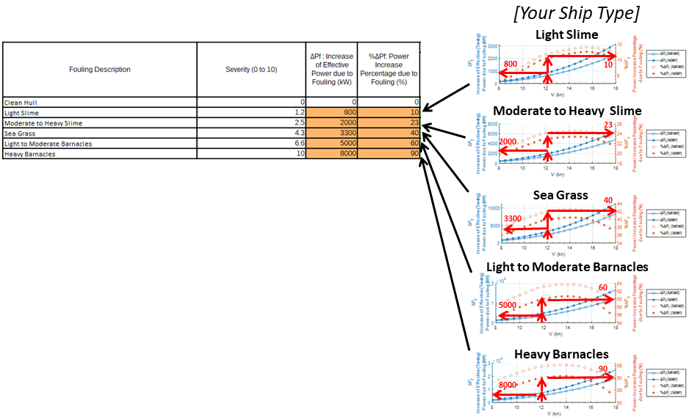

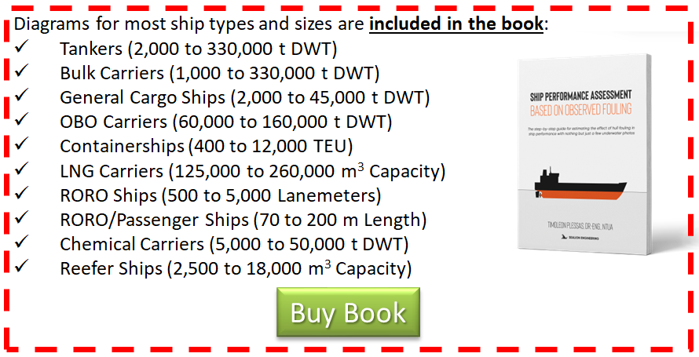

DISCLAIMER: This Spreadsheet is free to use for those who purchased the book “Ship Performance Assessment Based on Observed Fouling” by Timoleon Plessas for any purpose (personal, educational, commercional or any other). The author specifically disclaim all responsibility for any liability to any party for any loss, damage, disruption or risk, personal or otherwise, that is incurred as a consequence, directly or indirectly, of the use and application of any of the contents of this spreadsheet, whether such errors or omissions result from negligence, accident, or any other cause.

Custom-Made Diagrams
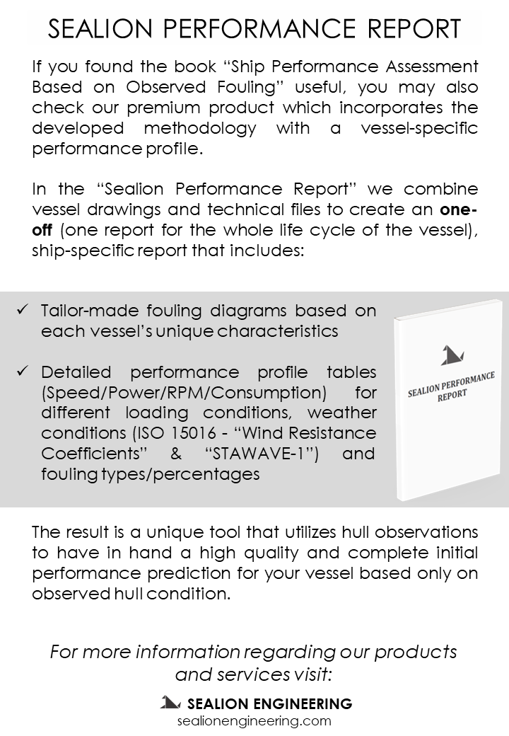
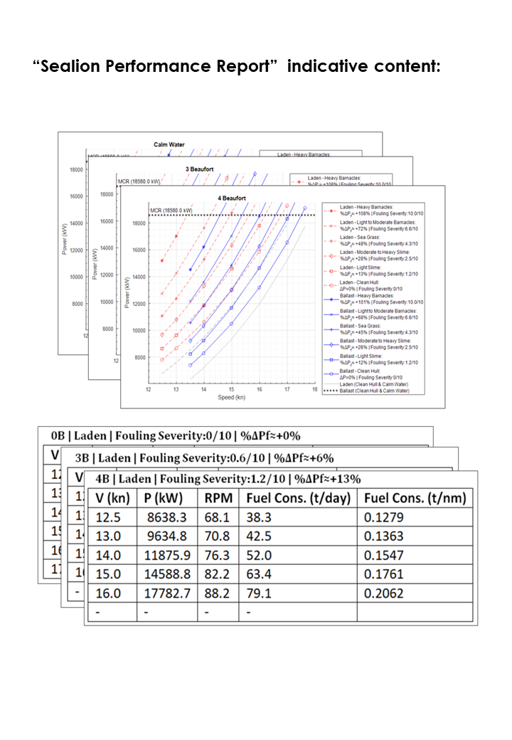
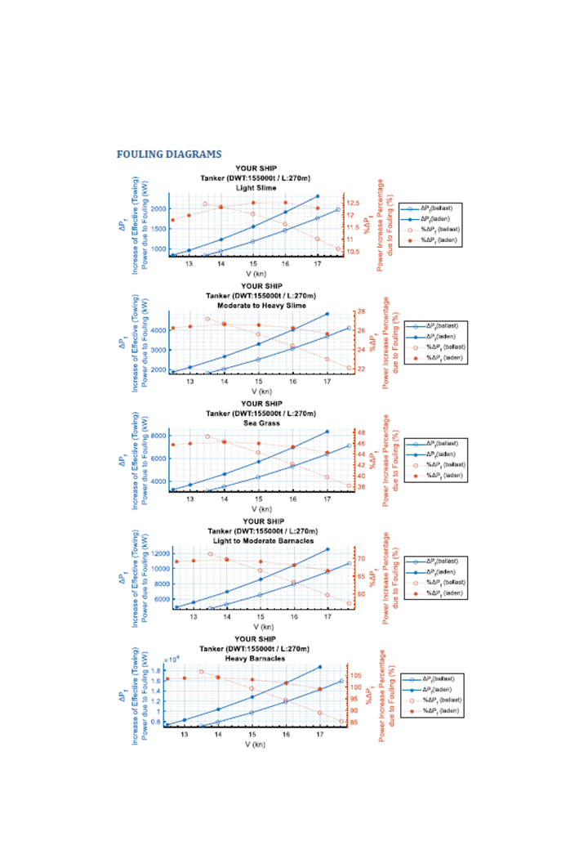
This spreadsheet is designed to be used along with the diagrams that are in the book “Ship Performance assessment Based on Observed Fouling” by Timoleon Plessas.
For more accurate results Sealion Engineering offers "Sealion Performance Report" which includes custom-made diagrams specifically created for your ship.

